scenario diagrams
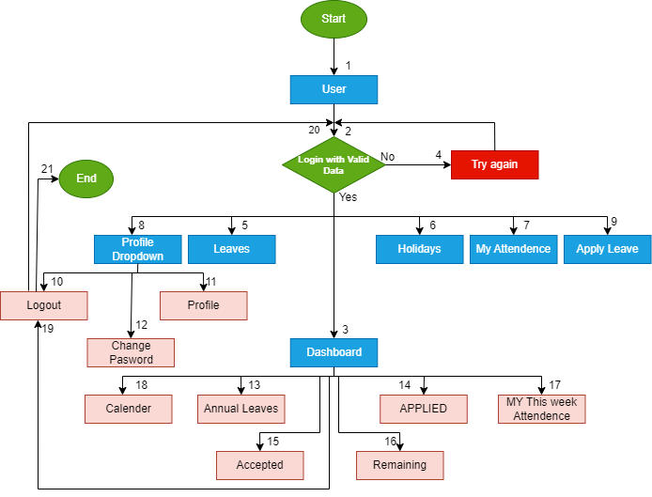

SCENARIO DIAGRAM OF DASHBOARD

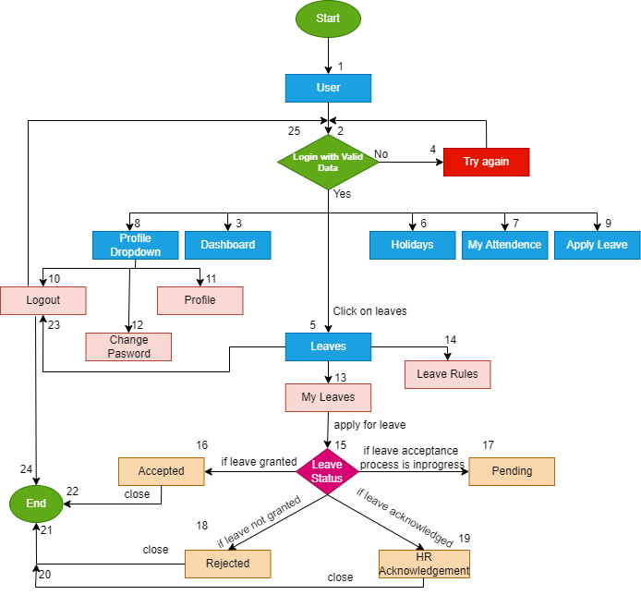

 | SCENARIO DIAGRAM OF LEAVES

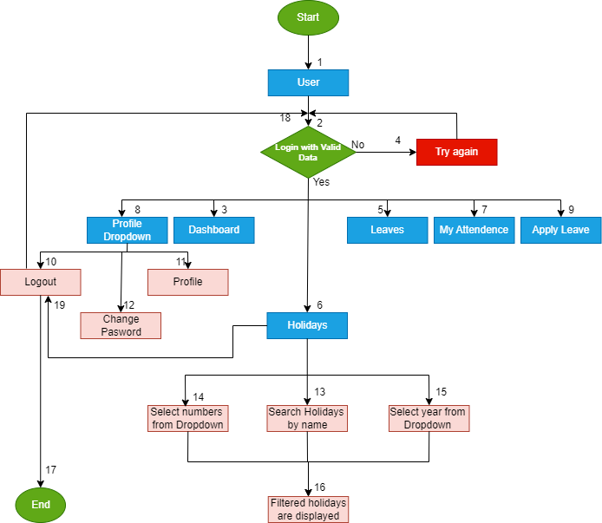

 |  | SCENARIO DIAGRAM OF MY HOLIDAYS

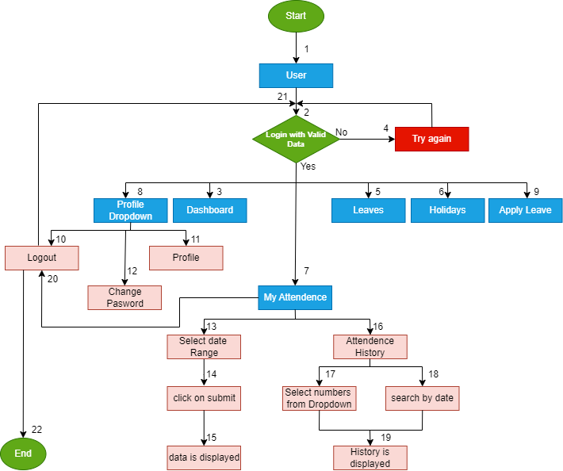

 |  | SCENARIO DIAGRAM OF MY ATTENDENCE

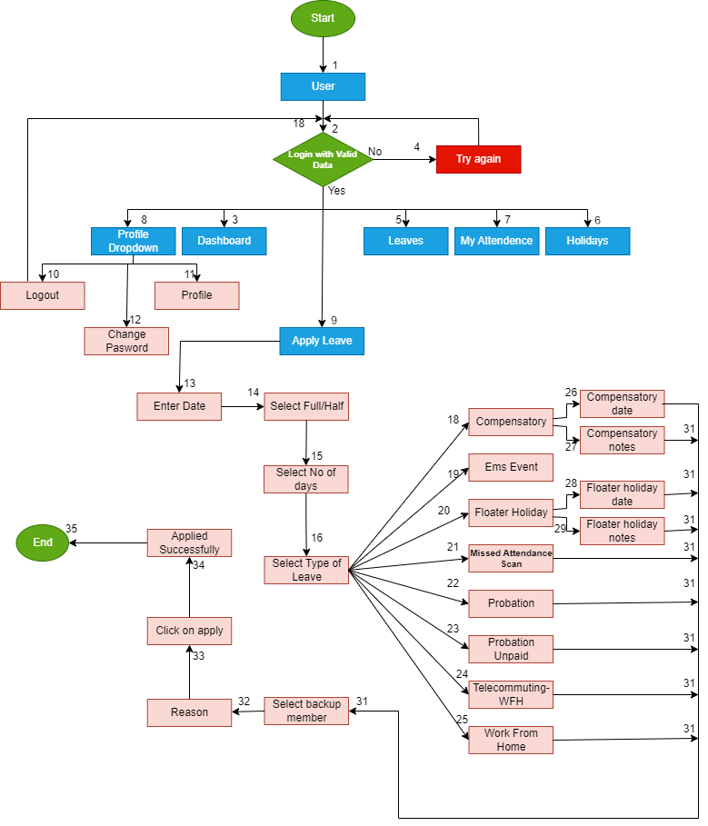

 |  | SCENARIO DIAGRAM OF APPLY LEAVE

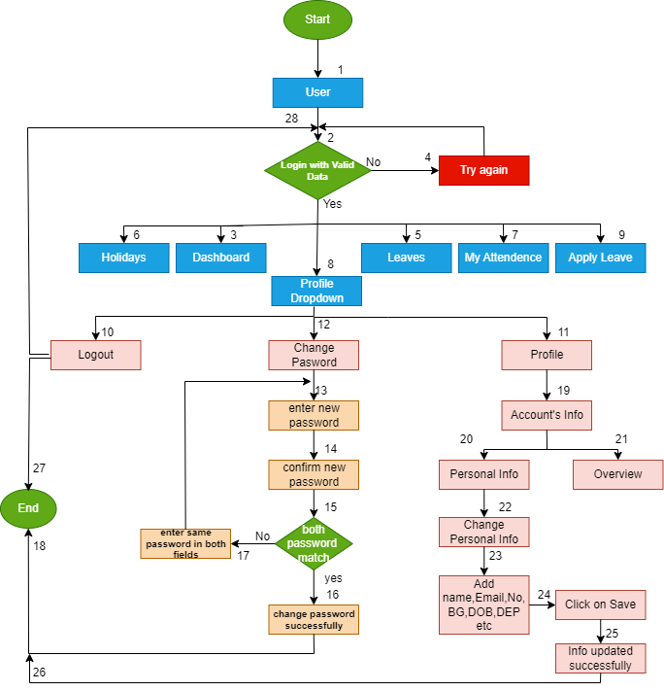

 | SCENARIO DIAGRAM OF PROFILE DROPDOWN

